Rasberry Pi Pin Model
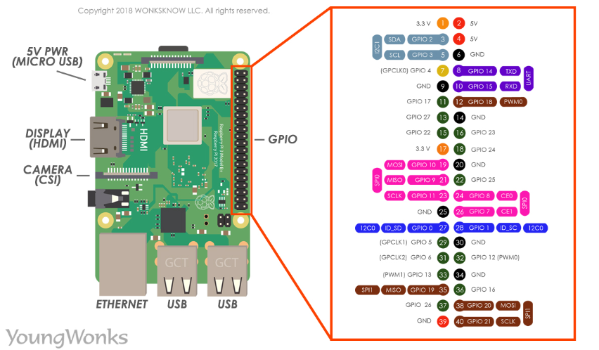
1 | 3.3 V |  |  | 2 | 5 V
3 | GPIO 2 | SDA | I2C | 4 | 5 V
5 | GPIO 3 | SCL | I2C | 6 | GND
7 | GPIO 4 |  |  | 8 | GPIO 14 | TXD | UART
9 | GND |  |  | 10 | GPIO 15 | RXD | UART
11 | GPIO 17 |  |  | 12 | GPIO 18 | PWM0
13 | GPIO 27 |  |  | 14 | GND
15 | GPIO 22 |  |  | 16 | GPIO 23
17 | 3.3 V |  |  | 18 | GPIO 24
19 | GPIO 10 | MOSI | SPI0 | 20 | GND
21 | GPIO 9 | MISO | SPI0 | 22 | GPIO 25
23 | GPIO 11 | SCLK | SPI0 | 24 | GPIO 8 | CE0 | SPI0
25 | GND |  |  | 26 | GPIO 7 | CE1 | SPI0
27 | GPIO 0 | ID_SD | I2C0 | 28 | GPIO 1 | ID_SC | I2C0
29 | GPIO 5 |  |  | 30 | GND
31 | GPIO 6 |  |  | 32 | GPIO 12
33 | GPIO 13 |  |  | 34 | GND
35 | GPIO 19 | MISO | SPI1 | 36 | GPIO 16
37 | GPIO 26 |  |  | 38 | GPIO 20 | MOSI | SPI1
39 | GND |  |  | 40 | GPIO 21 | SCLK | SPI1

 | USB | USB
 | USB | USB
 | CSI (Camera( | MicroSD
 | HDMI | Bluetooth
 | Ethernet | Wifi
 | DSI

Port | Total | USE
5 V | 2 | MC Input Power
3.3 V | 2
GPIO | 28
UART | 2
I2C | 4
SPI | 8
USB | 4
HDMI | 1
DSI | 1
MicroSD | 1
Bluetooth | 1
Wifi | 1

